DashBoard Analysis
Top 50 Amazon Selling Book Dashborad Analysis

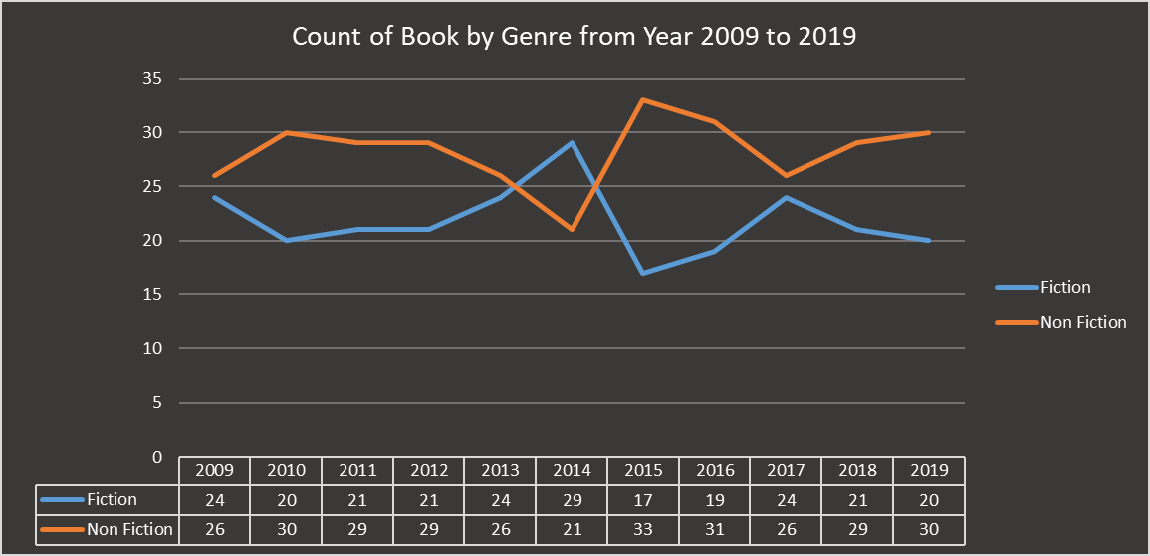
 | 2009 | 2010 | 2011 | 2012 | 2013 | 2014 | 2015 | 2016 | 2017 | 2018 | 2019
Abraham Verghese |  | 1 | 1
Adam Gasiewski |  |  |  |  |  |  |  |  | 1
Adam Mansbach |  |  | 1
Adir Levy |  |  |  |  |  |  |  |  |  |  | 1
Admiral William H. McRaven |  |  |  |  |  |  |  |  | 1
Adult Coloring Book Designs |  |  |  |  |  |  |  | 1
Alan Moore | 1
Alex Michaelides |  |  |  |  |  |  |  |  |  |  | 1
Alice Schertle |  |  |  |  |  | 1
Allie Brosh |  |  |  |  | 1
American Psychiatric Association |  |  |  |  | 1 | 1
American Psychological Association | 1 | 1 | 1 | 1 | 1 | 1 | 1 | 1 | 1 | 1
Amor Towles |  |  |  |  |  |  |  |  | 1
Amy Ramos |  |  |  |  |  |  |  |  |  | 1 | 1
Amy Shields |  |  |  |  |  |  |  |  |  |  | 1
Andy Weir |  |  |  |  |  |  | 1
Angie Grace |  |  |  |  |  |  | 1
Angie Thomas |  |  |  |  |  |  |  |  |  | 1
Ann Voskamp |  |  | 1 | 1
Ann Whitford Paul |  |  |  |  |  |  |  |  | 1 |  | 1
Anthony Bourdain |  |  |  |  |  |  |  |  |  | 1
Anthony Doerr |  |  |  |  |  | 1 | 1
Atul Gawande |  |  |  |  |  |  | 1
Audrey Niffenegger | 1
B. J. Novak |  |  |  |  |  | 1 | 1
Bessel van der Kolk M.D. |  |  |  |  |  |  |  |  |  |  | 1
Bill Martin Jr. |  |  |  |  |  |  |  |  | 1 |  | 1
Bill O'Reilly |  |  | 1 | 2 | 1 | 1 | 1 | 1
Bill Simmons | 1
Blue Star Coloring |  |  |  |  |  |  | 2
Bob Woodward |  |  |  |  |  |  |  |  |  | 1
Brandon Stanton |  |  |  |  | 1 | 1 | 1
Brene�� Brown |  |  |  |  | 1
Brian Kilmeade |  |  |  |  | 1
Bruce Springsteen |  |  |  |  |  |  |  | 1
Carol S. Dweck |  |  |  |  |  | 1 | 1 | 1
Celeste Ng |  |  |  |  |  |  |  |  |  | 1
Charlaine Harris | 2 | 1 | 1
Charles Duhigg |  |  |  | 1
Charles Krauthammer |  |  |  |  | 1
Cheryl Strayed |  |  |  | 1
Chip Gaines |  |  |  |  |  |  |  | 1
Chip Heath |  | 1
Chris Cleave |  | 1
Chris Kyle |  |  |  |  |  |  | 1
Chrissy Teigen |  |  |  |  |  |  |  | 1
Christina Baker Kline |  |  |  |  |  | 1
Christopher Paolini |  |  | 1
Coloring Books for Adults |  |  |  |  |  |  | 1
Craig Smith |  |  |  |  |  |  |  |  |  | 1 | 1
...
Book Count by Author Pie Chart Year

Number of book from Authors by Year
 | Abraham Verghese | Adam Gasiewski | Adam Mansbach | Adir Levy | Admiral William H. McRaven | Adult Coloring Book Designs | Alan Moore | Alex Michaelides | Alice Schertle | Allie Brosh | American Psychiatric Association | American Psychological Association
2009 |  |  |  |  |  |  | 1 |  |  |  |  | 1
2010 | 1 |  |  |  |  |  |  |  |  |  |  | 1
2011 | 1 |  | 1 |  |  |  |  |  |  |  |  | 1
2012 |  |  |  |  |  |  |  |  |  |  |  | 1
2013 |  |  |  |  |  |  |  |  |  | 1 | 1 | 1
2014 |  |  |  |  |  |  |  |  | 1 |  | 1 | 1
2015 |  |  |  |  |  |  |  |  |  |  |  | 1
2016 |  |  |  |  |  | 1 |  |  |  |  |  | 1
2017 |  | 1 |  |  | 1 |  |  |  |  |  |  | 1
2018 |  |  |  |  |  |  |  |  |  |  |  | 1
2019 |  |  |  | 1 |  |  |  | 1

Cumulative Sum Number of Book by Authors
 | Jeff Kinney | Rick Riordan | Suzanne Collins | Gary Chapman | American Psychological Association | Dr. Seuss | Gallup | Rob Elliott | Dav Pilkey | Bill O'Reilly | Eric Carle | Stephen R. Covey
Total | 12 | 11 | 11 | 11 | 10 | 9 | 9 | 8 | 7 | 7 | 7 | 7

